Sheet1
11MM*190MM Glue Stick | 39,000 | 0,259601 | 0,259601
2 in 1 Cross+Screw driver tools 3mm, 75mm | 16,000 | 2,904,301 | 46,468,816
2 x AA Battery Holder Box with cover/on-off | 39,000 | 0,905149 | 35,300,811
3 D Printer Finder2,0 | 6,000 | 1.408,505 | 4.225,515
3 v DC Motor with Wire | 39,000 | 1,081,113 | 42,163,407 | 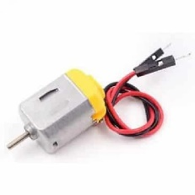
3D Printer Filaments | 52,000 | 46,203,636 | 1.201,294536
4pcs/set 55mm propeller for H 107L H107C | 39,000 | 114,035 | 4,447,365
50cm Long Alligator Clips 5pcs for Micro:bit | 155,000 | 1,239 | 192,045
9 V Battery Connector lenght: 10 cm | 39,000 | 0,236524 | 9,224,436
Alpha Detective Training Camp OEM | 34,000 | 1,331,786 | 45,280,724 | 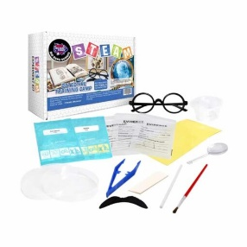
Alpha Enviroment and Energy OEM | 31,000 | 131,626 | 4,080,406 | 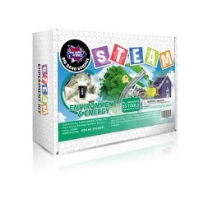
Alpha optical illusion Kit oem | 31,000 | 131,626 | 4,080,406
Alpha Recyclable Science oem | 31,000 | 25,957,151 | 804,671,681
BEGINNER STARTER KIT FOR BBC MICRO:BIT | 19,000 | 74,558,947 | 1.416,619993
CH340 Nano controller board + USD for arduino | 5,000 | 24,556,922 | 61,392,305
EDUCATION STARTER KIT FOR BBC MICRO:BIT | 76,000 | 278,768 | 10.593,184
Electronic kit,with client's logo,customized gift box and customized manual (VI9VIII#) | 1,000 | 166,744,214 | 166,744,214
Electronic kit,with client's logo,customized gift box and customized manual (XXIV#) | 66,000 | 87,81 | 2.897,73
Electronic kit,with client's logo,customized gift box and customized manual (XXXIVC) | 15,000 | 39,131,428 | 58,697,142
Keyestudio 37 in 1 Starter Kit adding components | 2,000 | 139,368 | 278,736
OEM V2 3D Pen with EU Adapter | 85,000 | 32,785,217 | 2.786,743445
PLA 0.5KQ Filament | 28,000 | 24,307,747 | 680,616,916
Polycrystalline 70*70mm 3V Mini Solar Cell | 39,000 | 6,298,845 | 245,654,955 | 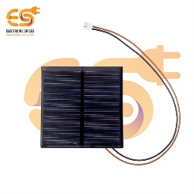
Qdee Starter without micro bit OEM package | 25,000 | 188,944 | 4.723.6 | 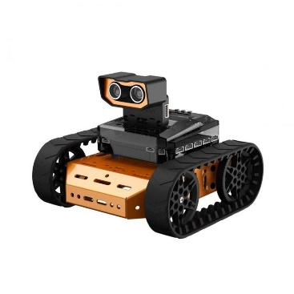
Robot Smart Car DC motor DIY 3-6V Grade A | 39,000 | 2,428,519 | 94,712,241
Soldering Iron 30W 220V EU Plug | 39,000 | 3,779,565 | 147,403,035 | 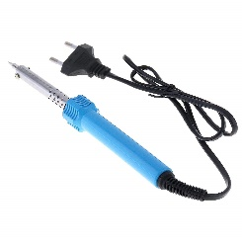
Steam Education 4wd Robot Car Kit Upgraded V2.0 | 6,000 | 137,14 | 822,84 | 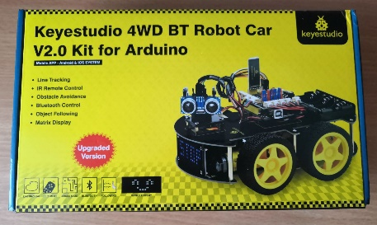
Tello Part 2 3044P Quick release Prpellers | 2,000 | 2,835,103 | 5,670,206 | 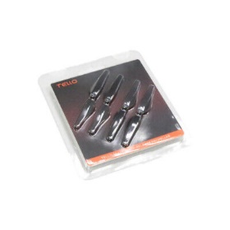
Tello Part 3 Propeller Guards | 2,000 | 2,971,737 | 5,943,474 | 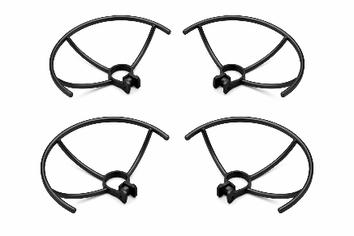
Toggle Switches Mini SPDT 6A 125VAC | 39,000 | 2,760,229 | 107,648,931
Universal Glue Gun SD-A601 with Switch | 39,000 | 39,000 | 270,237,474

Lazer kəsim 3D print və lazer oyma dəzgahı | 2 | 4731.21 | 9462.42 | 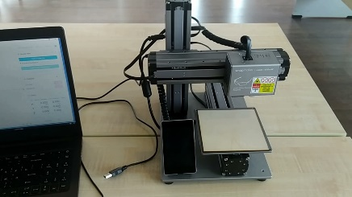
Lazer kəsim üşün (paket içində 5 ədəd)
Pilotsuz uçuş aparatı
Batareya enerji yükləmə qovşağı
Pərvanə qoruyucu
Tez açılan pərvanələr

Lazer CNC üçün materiallar
Birplatformalı kompyüterlə çalışan robot maşını dəsti

